Vision Products - ALL
 | DashCams
 | Sellable | Testing | Testing | Sellable | Testing
 | SmartCabin Pro | BC - Road Cam | BI - Dual Dashcam | LiveVision Pro 1-8 | BR - 4 Channel DVR
 | 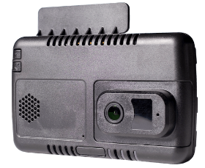 Dashcam with Road and Cabin View cameras. Includes AI, telematics functions and accelerometer data | 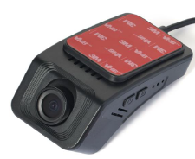 Low cost single camera dashcam with LTE | Low cost Road and cabin dashcam with LTE | 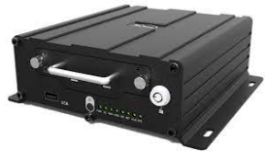 High-End 8 channel MDVR with AI | 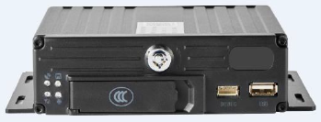 Low cost 4 channel MDVR
Status | Actively being sold ~1800 in field | Newly released | Newly released | Actively being sold. ~5500 in field | Newly released
Communication | • Wi-Fi, 2.4G/5GHz, 802.11 a/b/g/n/ac, 433Mbps, STA/AP/P2P • BT: BT2.1+EDR/ 3.0/ 4.1LE/ 4.2LE • LTE, LTE-FDD, LTE-TDD • UMTS, WCDMA, TD-SCDMA • CMDA • GSM/Edge, 850, 900, 1800,1900 MHz | LTE-FDD: B1,3,5,8 LTE-TDD: B34,38,39,40,41 | LTE-FDD: B1,3,5,8 LTE-TDD: B34,38,39,40,41 | Support built in 3G/4G module optional | 2G/3G/4G LTE FDD: B1/3/5/8 LTE TDD: B34/38/39/40/41 WCDMA: B1/5/8 GSM: 900/1800MHz
GNSS | GPS/BeiDou/GLONASS, or GPS/BeiDou/Galileo | GPS+BD | GPS+BD | GPS positioning module support: single mode, dual mode, multi mode (GPS, BD, GL) | Yes - No details in spec
Storage | 1x MicroSD (Up to 512GB). Standard is 128 GB | microSD (Up to 128GB) | microSD (Up to 256GB). Standard is 128 GB | 2.5" HDD/SSD (1 TB) 1x SD Card | 2xSD Card (Up to 256GB each)
Video Channels | 2 | 1 | 2 | 8 | 4
Video Quality | 1080p | 1080p | 1080p | 1080p | 720p / 1080p
AI Features | Yes | No | No | Yes | No
Telematics Features | Basic GPS Tracking Harsh Braking, Acceleration, Cornering Crash Overspeeding Idling | Basic GPS Tracking Overspeeding Panic Button Harsh Braking, Acceleration,Cornering, Crash | Basic GPS Tracking Overspeeding Panic Button Harsh Braking, Acceleration,Cornering, Crash | Basic GPS Tracking Harsh Braking, Acceleration Overspeeding | Basic GPS Tracking Overspeeding Panic Button Harsh Braking, Acceleration,Cornering, Crash
Video Features | Live Streaming On-Device Continous Recording AI (DMS + ADAS) 1080p Video Quality | Live Streaming On-Device Continous Recording | Live Streaming On-Device Continous Recording | Up to 8 Cameras Live Streaming On-Device Continous Recording AI (DMS + ADAS) 1080p Video Quality | Up to 4 Cameras Live Streaming On-Device Continous Recording AI (ADAS) 720p / 1080p Video Quality
Customization | Recording time after ACC off Button | Recording time after ACC off (TBC) Wake on movement (TBC) Button | IO Ports (TBC) RS232 (TBC) Button | Recording time after ACC off Wake on IO | Recording time after ACC off (TBC)
Expected Lifetime | 3 Years | 1 Year | 1 Year | 3 Years | 1 Year
AI Features | Fatigue, Distraction, Cellphone, Forward collision warning, Tamper | None | None | Fatigue, Distraction, Cellphone, Forward collision warning, Tamper, Smoking | None
Limitations | No Additional Cameras - Road + Cabin cameras only | No additional cameras - Road Camera only No AI | No additional cameras - Road and Cabin Camera only No AI |  | No AI
Certifications | ICASA CE Others TBC | CE | CE (By end Jan) | ICASA CE Others TBC | CE
Prefixx | Prefix SC | Prefix BC | Prefix BI | Prefix HA | Prefix BR

Cost (USD) | 248.00 + 15.00 (AI) Storage to be added | 24.00 (TBC) Storage to be added | 38.00 (TBC) Storage to be added | 265.00 + 40.00 (AI) Cameras + Cables to be added Storage to be added | 75.00 (TBC) Cameras + cables to be added Storage to be added
Sale Price (USD)
Order From | ZA / CTZA | KMC | KMC | KMC | KMC

